Trade Reporting Form
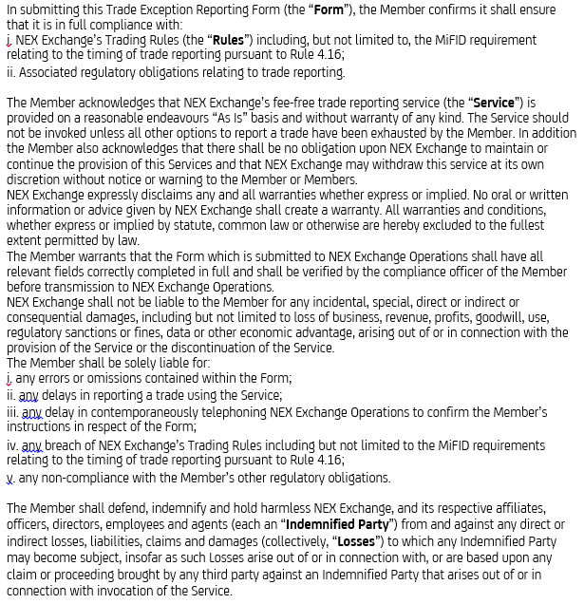
Trade Reporting Form - Please complete and send to OperationsSupport@nexexchange.com; BTEC_UK_MKTSUPT@ebsbrokertec.com and call 0207 818 9890 to confirm receipt

Parties to Trade |  | Guidance
Reporting Party * |  | Your Entity
Other Party* |  | Your Counterparty
Side* |  | Are you Buyer or Seller
Order Capacity* |  | Agency or Principal
Details of trade
Issuer Name |  | Name of Issues
Trade ID* |  | Your Unique ID
ISIN* |  | Check - http://www.nexexchange.com/companies-prices/
Trade Type* | On Exchange Large in Scale Trade | Ordinary/ Large/Negotiated
Trade Sub Type |  | btb
Currency/Board*
Publish Immediately
Values of Trade
Quantity * |  | Free Format
Trade Price* |  | Free Format Ensure correct Price for currency type
Time of Trade
Agreed Time and Date*
Settlement Date* |  | (YYYYMMDD)
* Mandatory Fields

 | Disclaimer

